Diagram Memory v Storage
Computer Memory vs. Storage

Fill in the blanks using the following descriptions |  |  | rom
Application software | -
Cache |  | cpu
Hardware
CPU |  |  |  | cache
External devices | - |  | ram
Input peripherals | - |  |  |  | Enter description
Main Memory
Memory
Operating software | - |  |  |  | Enter description
Output peripherals | - |  | input peripherals
Computer
RAM
ROM |  | external | output peripherals
Secondary Storage
System buses |  |  | Enter description
System Unit

 |  | operating sofeware

Software
 |  | application software

Logic Gates and Truth Tables
Network Questions |  | Responses
Q1 | What are Logic gates? | the basic building block of any system consisting of one or more inputs and an output

Q2 | What are the three Basic Logic Gates? | and, not, or

Q3 | What are Universal Gates? | a gate that can implement any boolean with out need of another gate
 |  | ^not discussed or covered in provided materials
Q4 | What are the two Universal Logic Gates?
 |  | ^not discussed or covered in provided materials
Q5 | What are the two Derived Logic Gates? | xor xand

Q6 | This is a symbol of what type of gate? | and gate
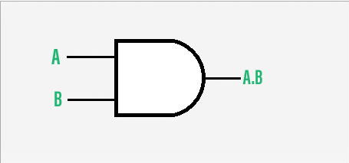

Q7 | For the Truth Table of an AND Gates, fill in the output section of the table. |  | Input A | Input B | Output
 |  |  | A | B | A AND B
 | AND gate can accept two or more than two input values at a time. |  | 0 | 0 | FALSE
 | When all of the inputs are logic 1, the output of this gate is logic 1. |  | 0 | 1 | FALSE
 |  |  | 1 | 0 | FALSE
 |  |  | 1 | 1 | TRUE

Q8 | This is a symbol of what type of gate? | Nor gate

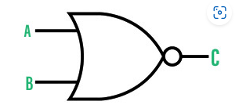

Q9 | For the Truth Table of an NAND Gates, fill in the output section of the table. |  | Input A | Input B | Output
 |  |  | A | B | A NAND B
 | NAND gate can take two or more inputs at a time and produces one output based on the combination of inputs applied. |  | 0 | 0 | TRUE
 | NAND gate produces a low or logic 0 output only when its all inputs are high or logic 1. |  | 0 | 1 | FALSE
 |  |  | 1 | 0 | FALSE
 |  |  | 1 | 1 | FALSE

Q10 | What is the Boolean expression for OR gate? | y=a+b

